🚀 Start Here
Start Here

Unicode Icon Collection
100 useful Unicode icons for cleaner, more professional Excel workbooks

Get Started |  |  | How to Use

 | Ready to find the perfect icon? Browse all 100 icons on the Icon Collection sheet. |  |  | 1. Find an Icon | 2. Copy it | 3. Paste it
 |  |  |  | Browse the categories and find an icon you like. | Select the cell with the icon and copy it (Ctrl + C). | Paste it into your worksheet name or anywhere in Excel.

Browse Icon Collection

 | 💡 | Tip: Use Excel's zoom controls to see more icons at once.

Follow Me |  |  | Template Recommendation
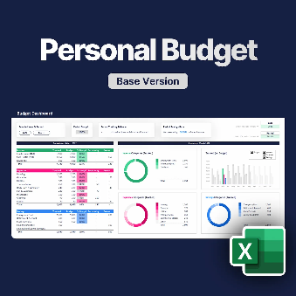
 | Enjoying this icon collection? Follow me for more Excel tips & resources. |  |  |  | Take a look at my most popular Excel template for personal budgeting: The Ultimate Excel Personal Budget. Plan and track your budget in one place, with everything automatically summarized in a clean, interactive dashboard.

 | 🔗 | YouTube

Take a Closer Look
 | 🔗 | Instagram

 | 🔗 | TikTok

